Sheet1
Our STP conditions are 30 in HG and 60F

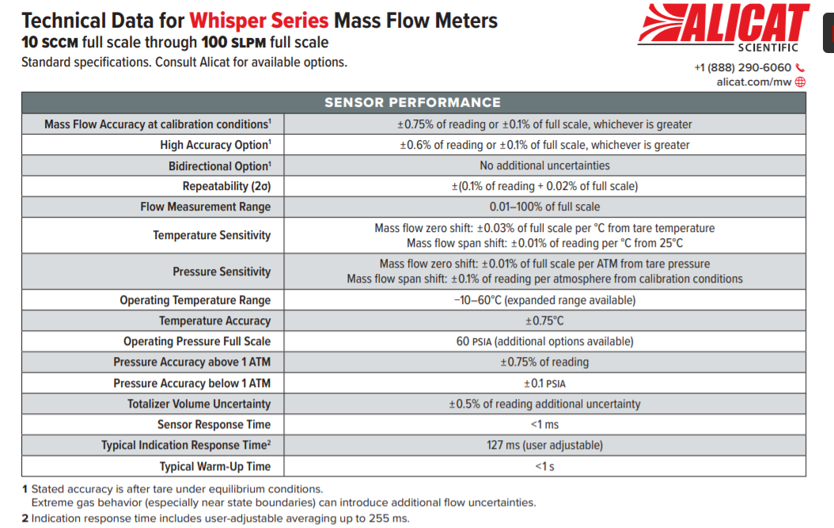

Nominal (SLPM) | Tol - | Tol +
4 | 3.96 | 4.04
8 | 7.95 | 8.05
12 | 11.93 | 12.07
16 | 15.90 | 16.10
20 | 19.88 | 20.12
24 | 23.86 | 24.14
28 | 27.83 | 28.17
32 | 31.81 | 32.19
36 | 35.78 | 36.22
40 | 39.76 | 40.24

We use inHgA on the meter becasue it does not have in W.C. In general, we run pressures between 3.5-14 in water column.
Nominal (inHgA) | Tol - | Tol + | Pressure Accuracy
29.9213 | 29.70 | 30.15 | 0.22440975
30 | 29.80 | 30.20 | 0.203602
31 | 30.80 | 31.20 | 0.203602
32 | 31.80 | 32.20 | 0.203602
33 | 32.80 | 33.20 | 0.203602
34 | 33.80 | 34.20 | 0.203602

Nominal (Celcius) | Tol - | Tol + | Temp Accuracy
10 | 9.25 | 10.75 | 0.75
15 | 14.25 | 15.75 | 0.75
See if you can hit the 0.75C spec
20 | 19.25 | 20.75 | 0.75
25 | 24.25 | 25.75 | 0.75
30 | 29.25 | 30.75 | 0.75

SLPM (Nominal) | Nominal (SL) | Tol - | Tol + | Tolerance % Reading
20 | 25.00 | 24.68 | 25.32 | 1.30%
20 | 50.00 | 49.35 | 50.65 | 1.30%
20 | 75.00 | 74.03 | 75.98 | 1.30%
20 | 100.00 | 98.70 | 101.30 | 1.30%
20 | 125.00 | 123.38 | 126.62 | 1.30%
20 | 150.00 | 148.05 | 151.95 | 1.30%

I know there is a limit on the tank capacity. What is possible?

